Demand capture form
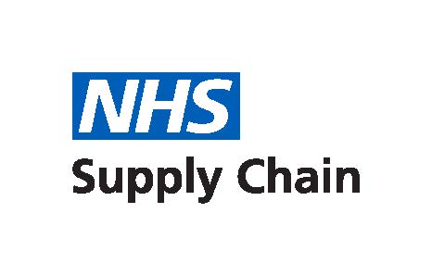

Winter Preparedness Demand Capture Form

1) Please populate demand capture for volumes between October 2023 to March 2024. 2) Return form to comoadmin@supplychain.nhs.uk with the title “Suction Catheter Completed DC Form”. Supplying depot codes: 901 - Alfreton 903 - Runcorn 904 - Bridgwater 905 - Normanton 907 - Maidstone 917 - Suffolk Park 920 - Rugby

Trust name
Email address for confirmation of input
NPC | Demand (Our UOI) | Frequency | DOH | Resus District Code | Supplying Depot | Contact | Contact Number | Customer Comments

